Sheet1
 | Document No. | Issue No. | Issue Date |  |  | Review and Replace Date |  | Authorised By
 | GFF436MC | 1 | 18.04.2024 |  |  | New Doc |  | Magda Shah
 | Document Title | 4 Onion Bhajis 160g

Document amendments reason for change | New Launch |  | Page 1 of 1 |  | Previous Issue Date |  | New Doc | Uncontrolled copy unless signed original

FOBHC3-R6T | Gazebo-Oakhouse |  | 4 Onion Bhajis 160g
STEP 1 |  |  | STEP 2
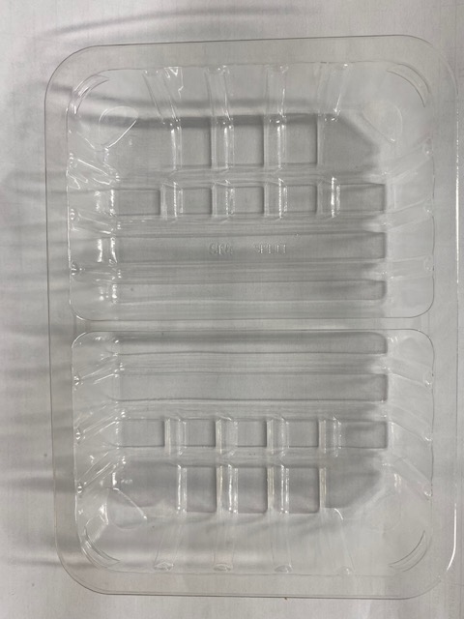 |  |  | 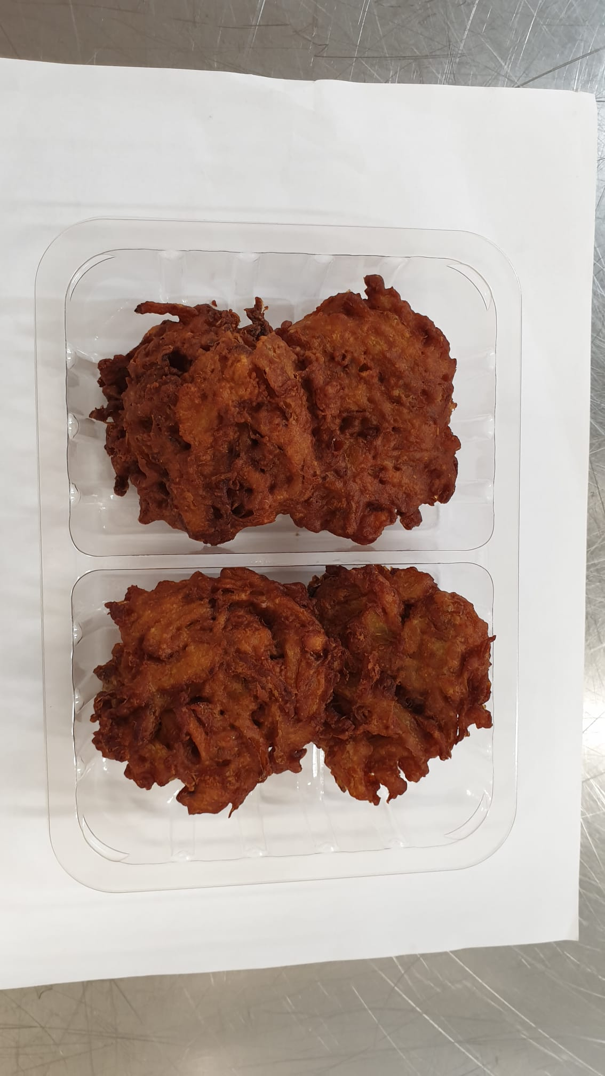

PACK DAY + 1 YEAR

Tray: SK4 Split Clear (PKESS001-06) |  |  |  | 4 x Onion Bhaji (GFF121R) 40g
Film: K-peel 7G+25A/f-275mm (PKKMP001-03) |  |  |  | Total Weight: 160g
ALLERGY ALERT: NONE

